1. Title Page
[Project Name]

Project Name: Instacart Customer Insights: Profiling and Purchasing Patterns
Date: April 18th, 2025
Analyst Name: David Escoto

Contents:
Population Flow
Consistency checks
Wrangling steps
Column derivations
Visualizations
Recommendations

2. Population Flow
Title page

Population flow

Exclusion flag
Condition: max_order < 5
Obervations to be removed: 1440295
Final total count of order_products_all: 30964564

Orders_products_combined
Orders_products_merged
Orders_products_all

Total: 32404859
Total: 32434489
Total: 32404859

1.) The grey boxes in the first row of the population flow represent the original data sets as they were when I downloaded them. In the Total I add the count of the rows when I imported the data set into Jupyter.
2.) The second row of boxes (coloured) represents the data sets after I manipulated them, e.g., removed missing values and duplicates. In the Total fields I add the count of the rows after conducting these operations. This offers a visual oveview of how the data flows throughout the data consistency checks.
3.) The third row, where also the arrows are coloured, represents the merges you performed between the datasets. In the Total fields I add the count of the rows in the merged datasets, so that you end up with the final dataset (in the red box). Keep in mind the final dataset should be without exclusions (based on the exclusion flag).

3. Consistency checks
 |  |  |  | Title page
Consistency checks

Dataset | Missing values | Missing values treatment | Duplicates
orders | 206209 cells from the day since prior order column | No action taken since these values represent first-time customers | No duplicates found
products | 16 missing cells in the product name column | Filtered missing values from dataframe | 5 duplicates found
orders_products_prior | No missing values found | No action necessary | No duplicates found
customers | Missinf values found in the first name column | Column eleminated due to data privacy considerations | No duplicates found

4. Wrangling steps
 |  |  |  | Title page
Wrangling steps

Columns dropped | Columns renamed | Columns' type changed | Comment/Reason
 |  | order_id | To string
 |  | order number | To string
First Name |  |  | Data privacy considerations
Surname |  |  | Data privacy considerations
 | orders_dow: orders_day_of_week |  | For easier readability

5. Column derivations
 |  |  |  | Title page

Column derivations and aggregations

In this tab you should add tables below that the frequences of flags/label variables that you produced after deriving them. NB: don't do this for continuous variables, only for flags.
Dataset | New column | Column/s it was derived from | Conditions
ords_prods_merge | price_range_loc | prices | If prices < 5 then 'Low-Range product' . If prices >=5 & <= 15 then 'Mid-range product'. If prices > 15 then 'High-range product'. Else "NA"
ords_prods_merge | busiest_days | orders_day_of_week | If value == 0 or value == 1 then 'Busiest days'. If value == 3 or value == 4 then 'Least busy'. else 'Regularly busy'
ords_prods_merge | busiest_period_of_day | order_hour_of_day | if value == 10 or value == 11 or value == 14 or value == 15 or value == 13 or value == 12 or value == 16 or value == 9: then ("Most orders"). if value == 17 or value == 8 or value == 18 or value == 19 or value == 20 or value == 7 or value == 21 or value == 22: then ("Average orders"). else: ("Fewest orders")
ords_prods_merge | loyalty flag | max_order | ['max_order'] > 40, 'loyalty_flag'] = 'Loyal customer'. ['max_order'] <= 40) & ['max_order'] > 10). 'loyalty_flag'] = 'Regular customer'. ['max_order'] <= 10, 'loyalty_flag'] = 'New customer'
ords_prods_merge | spending_flag | average_spend | ['average_spend']<10,'spender_flag']='Low_spender'. ['average_spend']>= 10, 'spender_flag'] = 'High_spender'.
ords_prods_merge | customer_frequency | day_since_prior_order | ['Customer_frequency'] > 20, 'frequency_flag'] = 'Non_frequent_customer'. ['Customer_frequency']>10) & (ords_prods_merge['Customer_frequency']<=20),'frequency_flag'] = 'Regular customer'. ['Customer_frequency'] <= 10, 'frequency_flag'] = 'Frequent Customer'
final_df_with_profiles | Region | STATE | All the States in the country categorized by region

6. Visualizations
 |  |  | Title page

Visualisations

In this tab you should include all the visualtions from Exercises 4.9 and 4.10, alongside the questions from the project brief that they answer. Include any commentary on the relationship between different variables.

Question: What are the busiest days of the week and hours of the day in terms of order volume?

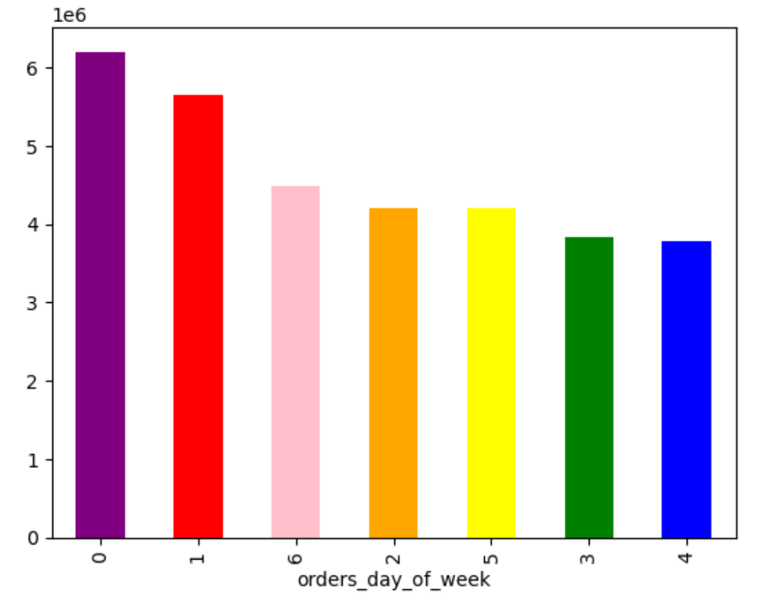
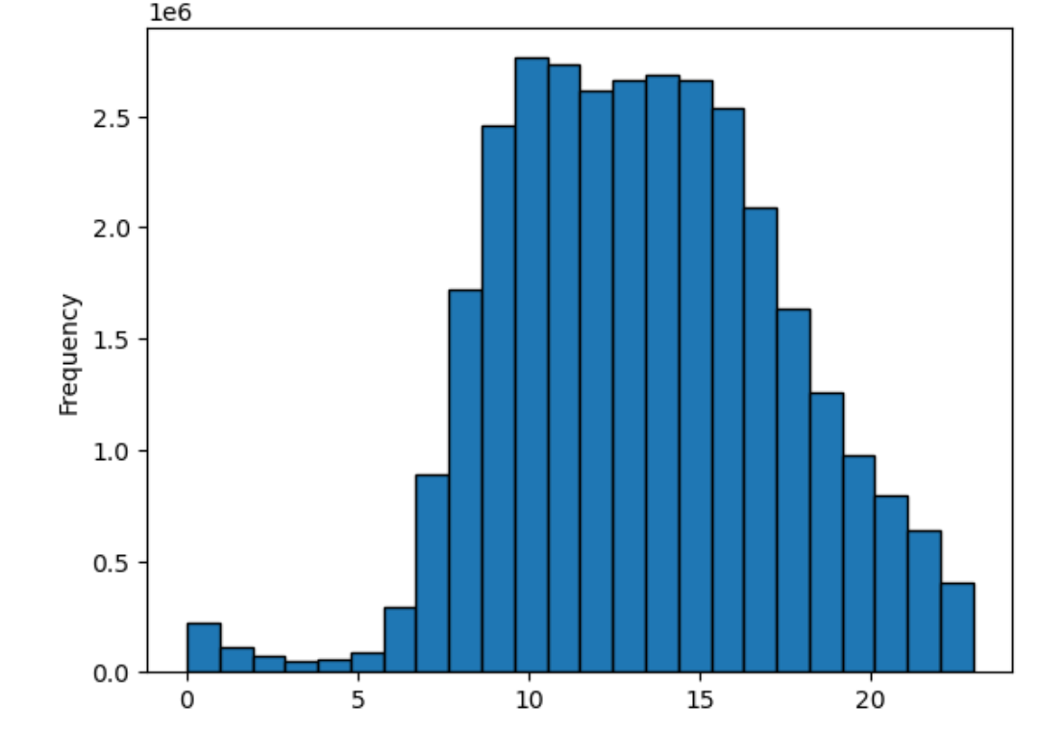
 |  | Comments : 0 = Saturday 1 = Sunday 2 = Monday 3 = Tuesday 4 = Wednesday 5 = Thursday 6 = Friday

 | Answer: Saturday and Sunday are the busiest days of the week and the busiest hours are between 9 am and 4pm

 | Question: Are there specific times of the day when customers tend to spend the most money?

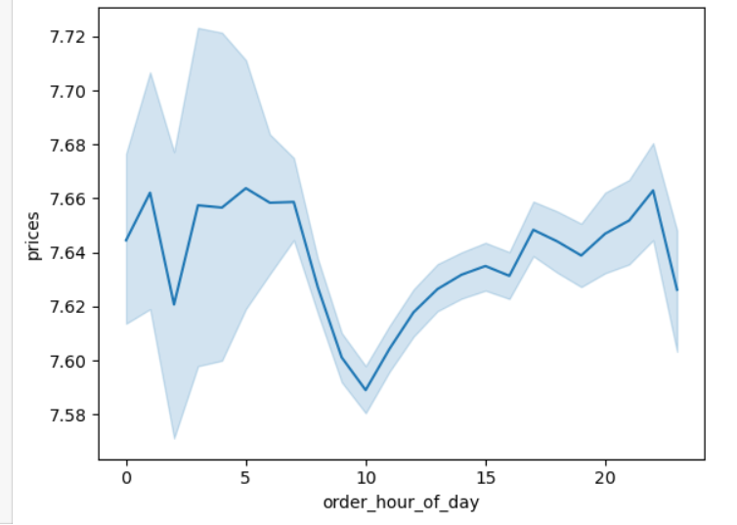

 | Customer spending shows minor variations during the day, with a slight decrease during the middle of the day and a gradual increase in the evening

 | Question: Are there certain types of products that are more popular than others?

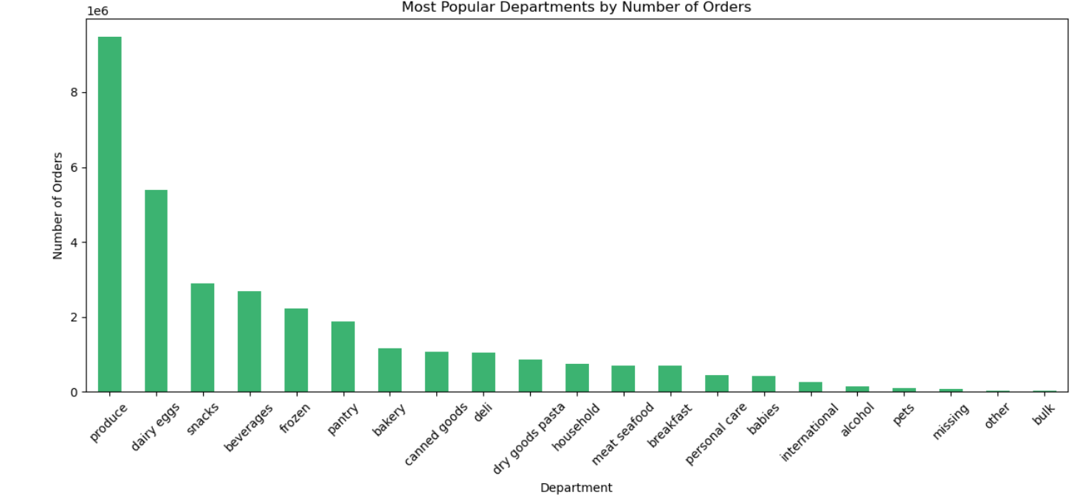

 | Answer: The best-selling products for the organization come from the Produce (department ID 4), Dairy & Eggs (department ID 16), and Snacks (department ID 19) departments

 | Question: What’s the distribution among users in regards to their brand loyalty (i.e., how often do they return to Instacart)?

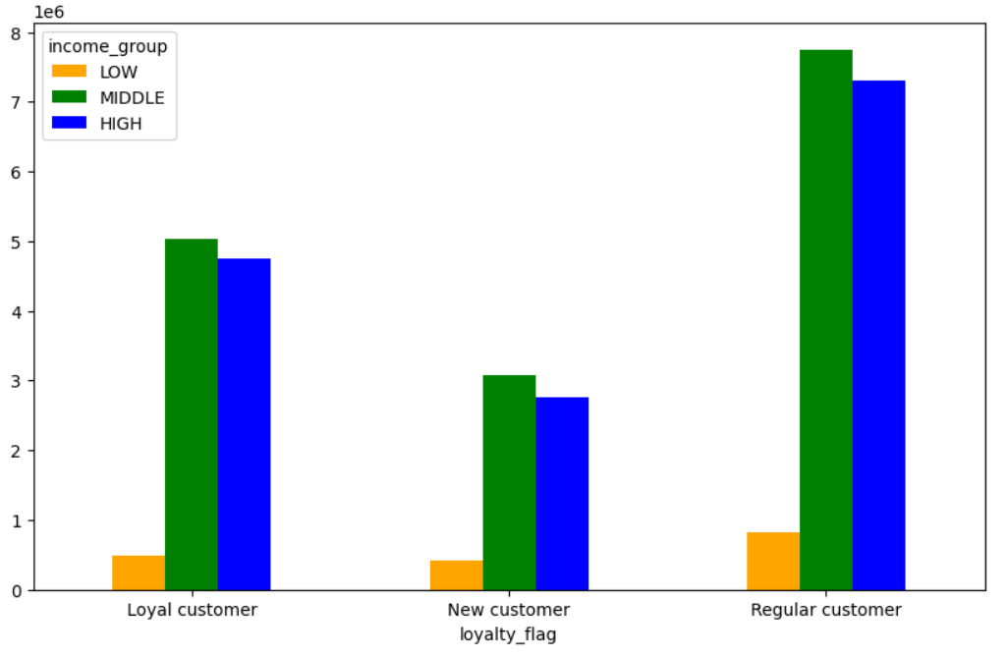
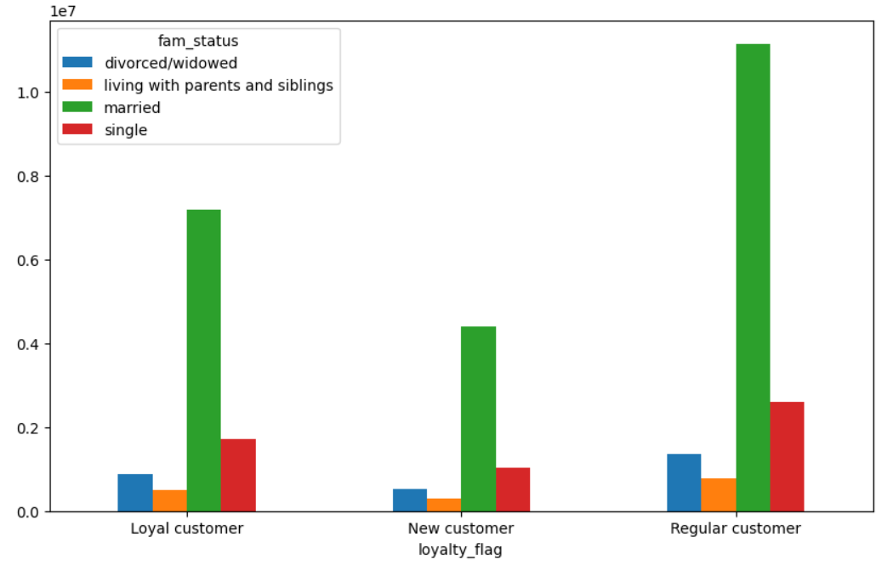

 | Answer: The returning customers are found out to be from the middle-income and married groups.

 | Question: Are there differences in ordering habits based on a customer’s loyalty status?
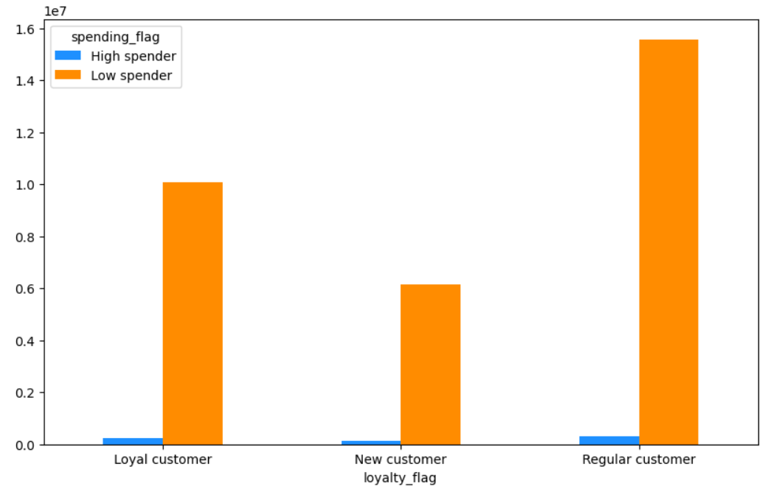

 | Answer: There are no clear differences in ordering habits based on customer's loyalty status. The highest number of orders were consistently placed by the low_spender category

 | Question: Are there differences in ordering habits based on a customer’s region?

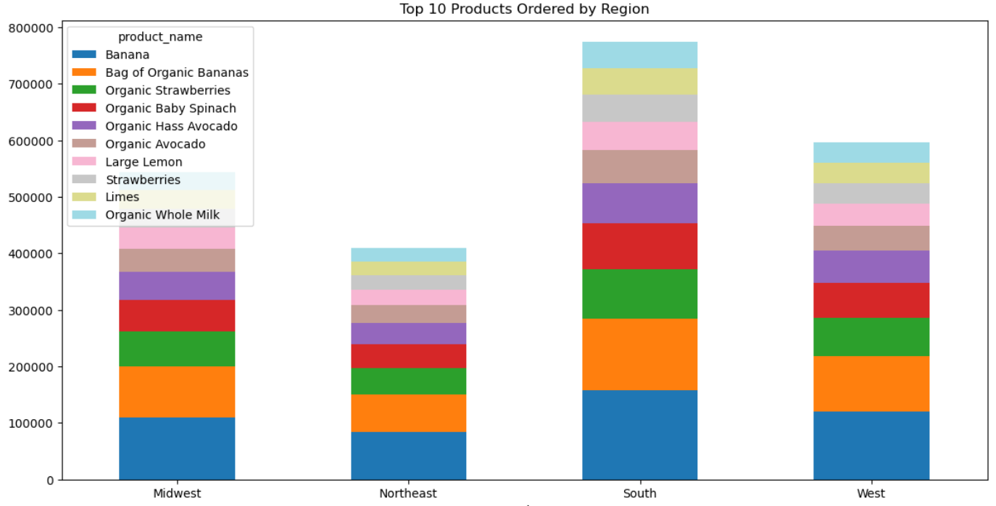

 | Answer: There are no obvious differences in the ordering habits between regions, specifically in the product preferences between them

 | Question: Is there a connection between age and family status in terms of ordering habits?
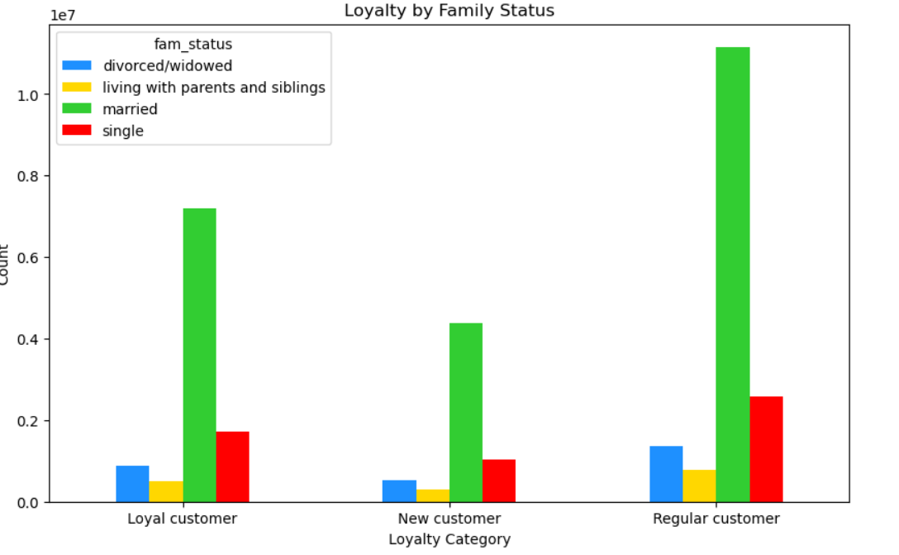
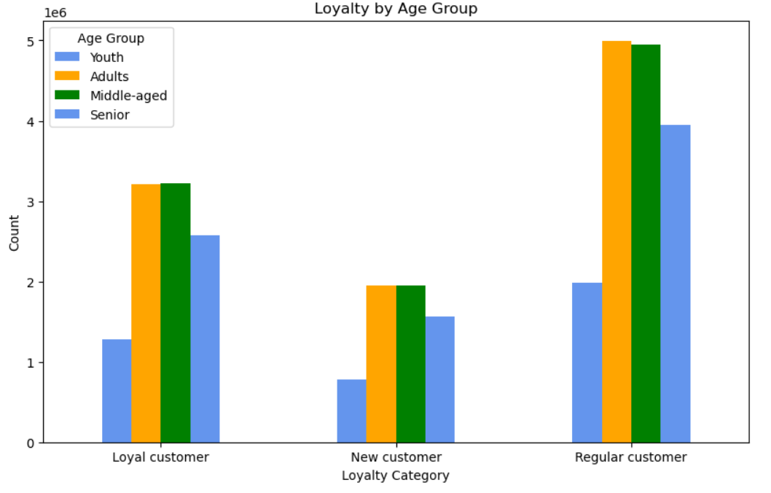

Answer: Married adult customers are the most loyal, making the majority of repeat purchases across all loyalty categories.

 | Question: What different classifications does the demographic information suggest? Age? Income? Certain types of goods? Family status?

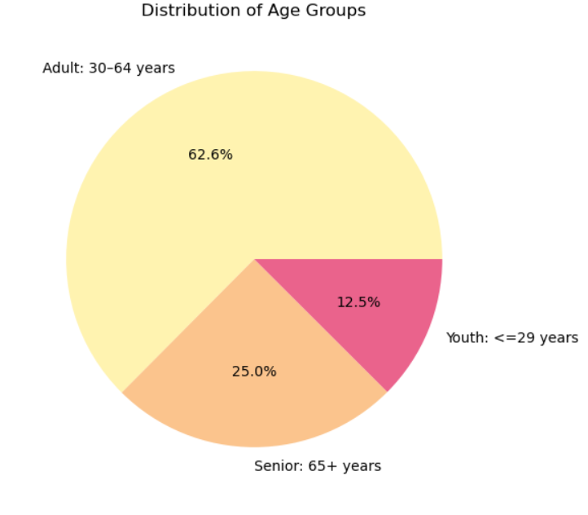
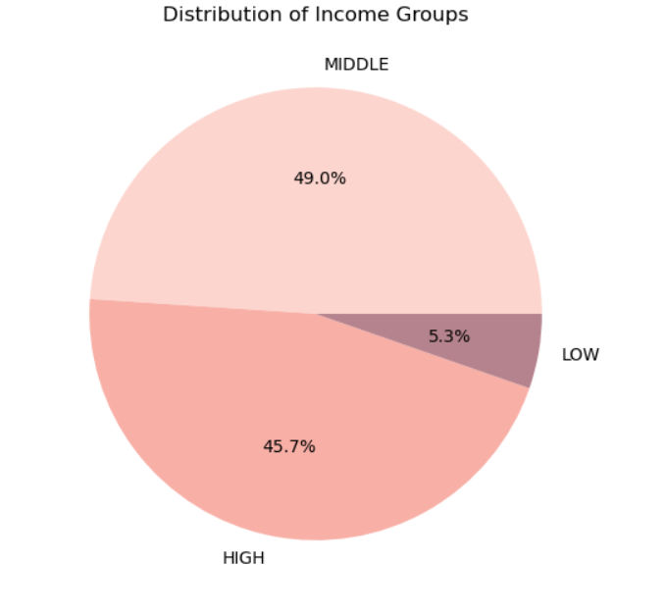

 | Answer: Most customers are adults aged 30–64 years and belong to the middle- or high-income groups, with very few from the low-income segment

7. Recommendations
 |  | Title page

Recommendations

In this tab you should include any recommendations you would made to Instcart in terms of their marketing strategy based on the questions posed in the brief. Every key question has been covered in the Tasks of the Exercises - here you need to add an item - a visualisation or table/crosstable that is showing the answer in the data, acompanied by a comment from you. Please, list the questions below and add the answer underneath.

Question | What are the busiest days of the week and hours of the day in terms of order volume?

Answer | Marketing and promotions should be focused on weekends and the late morning to early afternoon hours, when order volumes peak.

Question | Are there specific times of the day when customers tend to spend the most money?

Answer | Implement evenly distributed marketing promotions throughout the day, with slightly enhanced offers in the evening, to leverage the observed gradual increase in spending during these hours

Question | Are there certain types of products that are more popular than others?

Answer | Focus marketing and inventory efforts on Produce, Dairy & Eggs, and Snacks, as these categories drive the highest order volumes

Question | What’s the distribution among users in regards to their brand loyalty (i.e., how

Answer | Loyalty programs and targeted campaigns should focus on middle-income and married customers, as they represent the most consistent returning user base

Question | Are there differences in ordering habits based on a customer’s loyalty status?

Answer | Since low spenders dominate across all loyalty categories, marketing efforts should aim to increase order values among loyal and regular customers through upselling or bundle deals

Question | Are there differences in ordering habits based on a customer’s region?

Answer | Since the South and West regions show the highest order volumes for top products, targeted promotions and inventory planning should prioritize these regions to meet higher demand.

Question | What different classifications does the demographic information suggest? Age? Income? Certain types of goods? Family status? habits?

Answer | Tailor product offerings and messaging to adults in the middle- and high-income brackets, as they make up the vast majority of the customer base

